Sheet1
B&N Bookstore
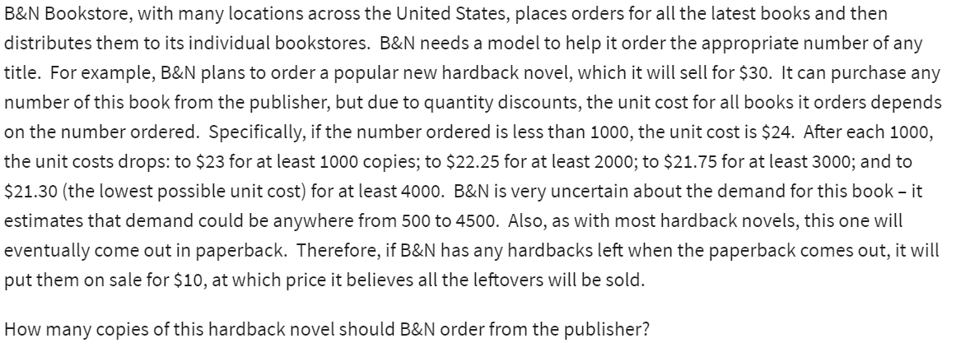
Regular price: | $30.00
Sale price: | $10.00

Demand: | 500 | (500-4500)
Order: | 500
Surplus: | 0

Costs: | $12,000 | =VLOOKUP(B7,A18:B23,2,TRUE)*B7

Revenue: | $15,000 | =MIN(B6:B7)*B3+B8*B4

Profit: | $3,000 | =B12-B10
 |  |  |  | Demand
 |  |  |  | $3,000 | 500 | 1000 | 1500 | 2000 | 2500 | 3000 | 3500 | 4000 | 4500
(atleast) |  |  | order | 500 | $3,000 | $3,000 | $3,000 | $3,000 | $3,000 | $3,000 | $3,000 | $3,000 | $3,000
Ordered | Price |  |  | 1000 | $-3,000 | $7,000 | $7,000 | $7,000 | $7,000 | $7,000 | $7,000 | $7,000 | $7,000
0 | $24.00 |  |  | 1500 | $-9,500 | $500 | $10,500 | $10,500 | $10,500 | $10,500 | $10,500 | $10,500 | $10,500
1000 | $23.00 |  |  | 2000 | $-14,500 | $-4,500 | $5,500 | $15,500 | $15,500 | $15,500 | $15,500 | $15,500 | $15,500
2000 | $22.25 |  |  | 2500 | $-20,625 | $-10,625 | $-625 | $9,375 | $19,375 | $19,375 | $19,375 | $19,375 | $19,375
3000 | $21.75 |  |  | 3000 | $-25,250 | $-15,250 | $-5,250 | $4,750 | $14,750 | $24,750 | $24,750 | $24,750 | $24,750
4000 | $21.30 |  |  | 3500 | $-31,125 | $-21,125 | $-11,125 | $-1,125 | $8,875 | $18,875 | $28,875 | $28,875 | $28,875
 |  |  |  | 4000 | $-35,200 | $-25,200 | $-15,200 | $-5,200 | $4,800 | $14,800 | $24,800 | $34,800 | $34,800
 |  |  |  | 4500 | $-40,850 | $-30,850 | $-20,850 | $-10,850 | $-850 | $9,150 | $19,150 | $29,150 | $39,150

